FR-BO
 |  |  |  |  |  |  |  |  |  |  | Fragebogen Questionnaire
 |  |  |  |  |  |  |  |  |  |  |  |  |  |  |  |  |  | Seite/page: |  |  | 1
 |  |  |  |  |  |  |  |  |  |  |  |  |  |  |  |  |  | Status: 12/2023

Wähle Sprache DE / Choose language EN / Choisissez la langue FR |  |  |  |  |  |  |  |  |  |  |  |  |  |  |  |  |  |  |  | EN | 2
Configuration stapling / nailing machine
 | Company: |  |  |  |  |  |  |  |  | Telefone:
 | Street: |  |  |  |  |  |  |  |  | E-mail:
 | ZIP / City: |  |  |  |  |  |  |  |  | Department:
 | Country: |  |  |  |  |  |  |  |  | Project:
 | Name of contact:

 | Please fill out the questionnaire according to your information. Not all fields need to be filled out.

 | A) | Category
 |  | Stapling |  |  |  |  |  |  |  |  |  | Nailing
 |  | Material |  | 1 |  |  |  |  |  |  |  | Material |  | 1
 |  | Material |  | 2 |  |  |  |  |  |  |  | Material |  | 2

 | B) | Material
 | Material |  | 1: |  | Carton |  |  |  | Plastic |  |  |  | Wood |  |  | Others:
 | Material |  | 2: |  | Carton |  |  |  | Plastic |  |  |  | Wood |  |  | Others:
 |  | Solid board |  |  |  |  |  |  |  |  |  | If known, indicate strength or FEFCO No.
 |  | Single corrugated board
 |  | Double corrugated board
 |  | Triple corrugated board
 | Material thickness: |  |  |  | Material |  | 1 (mm): |  |  |  |  | Material |  | 2 (mm):
 |  | Staple position/s
 | Sketch with indication of staple position/s; for each size one sketch under point P). (Please send pictures and samples!)

 | C) | Version
 |  | Folding boxes |  |  |  |  |  | Telescope cartons |  |  |  |  |  | Cardboard trays
 | 
 |  | Other cardboard boxes |  |  |  |  |  |  |  |  | Other articles
 | (please define exactly under P) or/and insert pictures) |  |  |  |  |  |  |  |  | (please define exactly under P) or/and insert pictures)

 |  |  |  |  |  |  |  |  |  |  | Fragebogen Questionnaire
 |  |  |  |  |  |  |  |  |  |  |  |  |  |  |  |  |  | Seite/page: |  |  | 2
 |  |  |  |  |  |  |  |  |  |  |  |  |  |  |  |  |  | Status: 12/2023

 | D) | Type of Closure
 |  | Bottom closure |  |  |  |  |  | Top closure |  |  |  |  |  | Bottom/top tray
 | 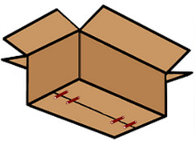 |  |  |  |  |  | 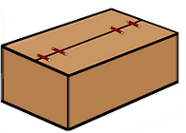 |  |  |  |  |  | 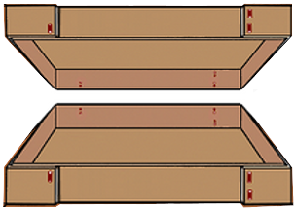
 |  | Other cardboard boxes
 | (please define exactly under P) or/and insert pictures)

 | E) | Carton with content
 | Weight: |  |  |  |  | kg
 | Content:

 | F) | Sizes
 |  | Carton |  |  |  |  |  | Tray |  |  |  |  |  |  |  | Others
 |  |  |  |  |  |  | Flap folding: |  |  |  |  |  |  |  | (please specify under P)
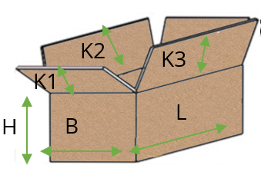
 |  |  |  |  |  |  | 1) |  | outside |  | 2) |  | inside
 |  |  |  |  |  |  | 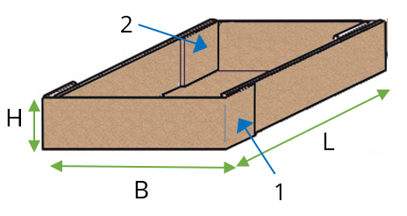 |  |  |  |  |  |  |  | 

 | Part designation |  |  |  |  |  |  |  | Carton/tray |  |  |  |  |  | Carton/top/bottom
 |  |  |  |  |  |  |  |  | L mm |  | B mm |  | H mm |  | K1 mm |  | K2 mm |  | K3 mm

 |  |  |  |  |  |  |  |  |  |  | Fragebogen Questionnaire
 |  |  |  |  |  |  |  |  |  |  |  |  |  |  |  |  |  | Seite/page: |  |  | 3
 |  |  |  |  |  |  |  |  |  |  |  |  |  |  |  |  |  | Status: 12/2023

 | G) | Workflow
 | Process |  |  |  |  |  |  |  |  |  |  |  |  |  |  | Comment
 |  | Unfold cardboard |  |  |  |  |  | manual |  |  |  | automatic
 |  | Fold carton bottom |  |  |  |  |  | manual |  |  |  | automatic
 |  | Filling the carton |  |  |  |  |  | manual |  |  |  | automatic
 |  | Fold carton lid |  |  |  |  |  | manual |  |  |  | automatic
 |  | 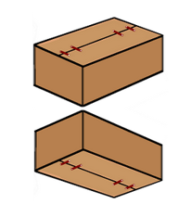 simultaneous bottom and lid closure of the filled folding box |  |  |  |  | 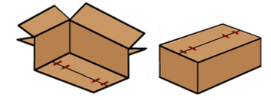 | first close the bottom of the empty folding box, then fill the folding box then close the lid of the filled folding box |  |  |  |  |  |  |  |  | Define other sequence under P)

 | H) | Staple material/size
 | Material: |  |  | Steel, copper plated |  |  |  | Steel, galvanised |  |  |  | Stainless steel |  |  |  | other:
 | Crown size: |  |  |  | 9 mm |  |  | 13 mm |  |  | 20 mm |  |  | 36 mm |  |  | other:
 |  |  |  | For stapling and nailing |  |  | For stapling and nailing |  |  | For stapling and nailing |  |  | For stapling

 | I) | Number of staples
 |  | pcs. per |  |  | Bottom |  |  | Top |  |  | Flap |  | Side |  |  | other:

 | J) | Working capacity/cycle number
 | Quantity: |  |  | pcs. per |  |  | minute |  |  | hour |  |  | other:

 | K) | Design
 |  | mobile |  |  |  | fix location
 |  | free-standing |  |  |  | integrate into existing line
 |  |  |  |  |  | (please specify)

 | L) | Degree of automation
 |  | mechanical version
 |  | (manual)
 |  | Semi-automatic (manual insertion/removal)
 |  | (pneumatic or electro-pneumatic version)
 |  | Fully automatic operation
 |  | (electro-pneumatic version)

 | M) | Adjustment to other sizes
 | Article sizes come: |  |  |  |  |  | chaotically |  |  |  |  | in series |  |  | pieces
 |  |  |  |  |  |  | (different sizes one after the other) |  |  |  |  | (same size one after the other)
 | Stapling machine should be adjusted to the different sizes:
 |  | manuell |  |  | x per |  |  | shift |  |  | day |  |  | other:
 |  | automatic

 |  |  |  |  |  |  |  |  |  |  | Fragebogen Questionnaire
 |  |  |  |  |  |  |  |  |  |  |  |  |  |  |  |  |  | Seite/page: |  |  | 4
 |  |  |  |  |  |  |  |  |  |  |  |  |  |  |  |  |  | Status: 12/2023

 | N) | Requested delivery date
 | Calendar week/year:

 | O) | Special internal company rules (specifications)
 |  | none |  |  |  | yes, please send documents

 | P) | Notes/sketches/other information
vbn

 |  |  |  |  |  |  |  |  |  |  | Fragebogen Questionnaire
 |  |  |  |  |  |  |  |  |  |  |  |  |  |  |  |  |  | Seite/page: |  |  | 5
 |  |  |  |  |  |  |  |  |  |  |  |  |  |  |  |  |  | Status: 12/2023

 | I hereby agree that my personal data are stored. To delete your data, please contact us under info@mezger.eu
 | Please sent samples of the different sizes, so that we can determine the correct staple.
 | Please return the completed questionnaire to:
 | MEZGER Heftsysteme GmbH
 | Saganer Staße 24 |  |  |  |  |  |  |  |  | Mail: info@mezger.eu
 | D-90 475 Nürnberg |  |  |  |  |  |  |  |  | Tel.: +49 (0)911 98494 0
 | Germany |  |  |  |  |  |  |  |  | Fax: +49 (0)911 98494 30
 | Thank you for your efforts
 | Your MEZGER-Team
 | Copyright© by MEZGER Heftsyteme GmbH, Nürnberg, Germany

